calculations
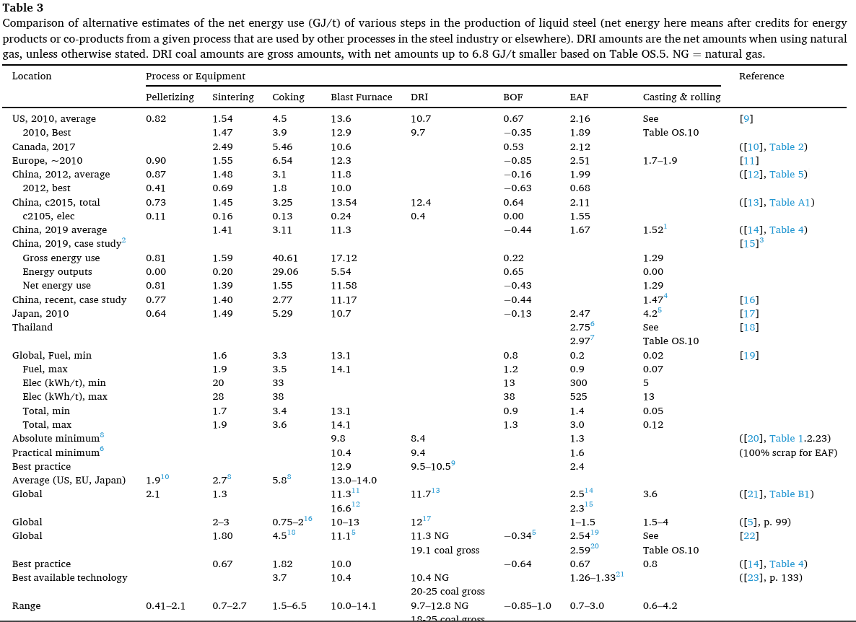
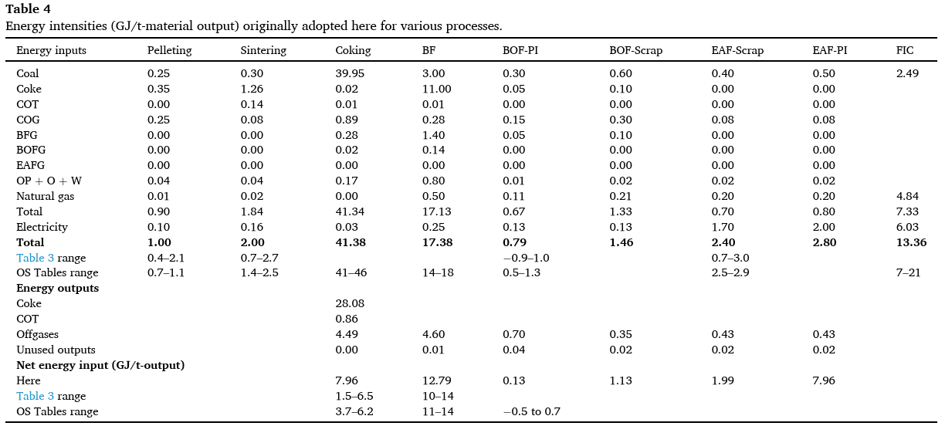
Retirement profiles
 |  | 2021 | 2022 | 2023 | 2024 | 2025 | 2026 | 2027 | 2028 | 2029 | 2030 | 2031 | 2032 | 2033 | 2034 | 2035 | 2036 | 2037 | 2038 | 2039 | 2040 | 2041 | 2042 | 2043 | 2044 | 2045 | 2046 | 2047 | 2048 | 2049 | 2050
0.54761840269 | % of BF Relined | 0.049177153921 | 0 | 0 | 0 | 0 | 0.098354307841 | 0.096030977735 | 0.096030977735 | 0 | 0 | 0 | 0 | 0.053049370765 | 0.058083252662 | 0 | 0.052700871249 | 0 | 0.047783155857 | 0.096805421104 | 0.05266214908 | 0.2435624395 | 0.055759922556 | 0 | 0 | 0 | 0 | 0 | 0 | 0 | 0
0.16724411929 | % of DRI retired | 0 | 0 | 0 | 0 | 0 | 0 | 0 | 0 | 0 | 0 | 0 | 0 | 0 | 0 | 0 | 0 | 0 | 0 | 0.019033674963 | 0 | 0 | 0 | 0 | 0 | 0 | 0 | 0 | 0 | 0 | 0
0.20133882387 | % of EAF retired | 0.022903114966 | 0 | 0 | 0.0059834832166 | 0.022369933293 | 0 | 0 | 0.018803540326 | 0.030533537127 | 0.010758421308 | 0.0067536345217 | 0.0091944217349 | 0.039810898233 | 0.015474116992 | 0.032227869998 | 0.024502659984 | 0.058744771857 | 0.045391533075 | 0.0085901491724 | 0.037630777616 | 0.014810602021 | 0.021327266911 | 0.017772722426 | 0.011256057536 | 0.028460052844 | 0.0073105131577 | 0.062796952571 | 0.010556997121 | 0.0046209078307 | 0.010758421308
0.027081033867 | % of BOF retired | 0 | 0 | 0 | 0 | 0 | 0 | 0 | 0 | 0 | 0 | 0 | 0 | 0 | 0 | 0 | 0 | 0 | 0 | 0 | 0 | 0 | 0 | 0 | 0 | 0 | 0 | 0 | 0 | 0 | 0
 | % total retired output, energy-use weighted | 0.01807644347 | 0 | 0 | 0.0012047074735 | 0.0045039360593 | 0.026930314479 | 0.026294165318 | 0.030080048012 | 0.0061475864539 | 0.0021660878929 | 0.0013597688315 | 0.0018511940583 | 0.022540885269 | 0.019019269539 | 0.0064887214414 | 0.01936332021 | 0.011827603274 | 0.022222545626 | 0.031419015776 | 0.021995917488 | 0.069671586229 | 0.019561586698 | 0.0035783390302 | 0.0022662813858 | 0.005730113567 | 0.0014718901211 | 0.012643464573 | 0.0021255333839 | 0.00093036814785 | 0.0021660878929
 | cumulative | 0.01807644347 | 0.01807644347 | 0.01807644347 | 0.019281150943 | 0.023785087003 | 0.050715401482 | 0.0770095668 | 0.10708961481 | 0.11323720127 | 0.11540328916 | 0.11676305799 | 0.11861425205 | 0.14115513732 | 0.16017440686 | 0.1666631283 | 0.18602644851 | 0.19785405178 | 0.22007659741 | 0.25149561318 | 0.27349153067 | 0.3431631169 | 0.3627247036 | 0.36630304263 | 0.36856932401 | 0.37429943758 | 0.3757713277 | 0.38841479228 | 0.39054032566 | 0.39147069381 | 0.3936367817

0.5 | relining assumed share of new BF cost

Sum of plant E use

 |  | BF | DRI | EAF | BOF | other
 | Total Capacity | 25825 | 13660 | 84399 | 32023 | 25825
 | Energy intensity | 16.8 | 9.7 | 1.89 | 0.67 | 1.74
 | Share of E use | 55% | 17% | 20% | 3% | 6%

